Sheet1
 | Normal | Op-Amp | Op-Amp | Op-Amp | Op-Amp
vRef | 3.30 | 1.20 | 1.25 | 1.25 | 1.25
vMax | 3.46 | 3.46 | 3.46 | 3.46 | 3.46
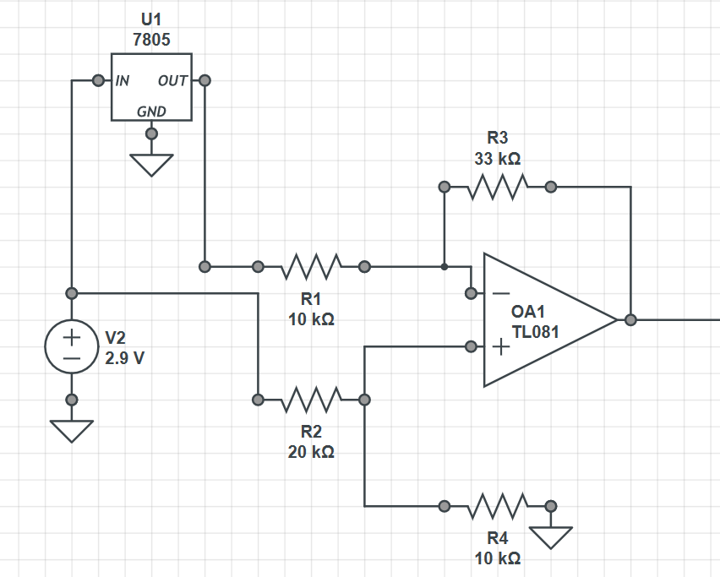
vMin | 3.00 | 3.00 | 3.00 | 3.00 | 3.00
Op-Amp | - | -3.300 | -3.000 | -4.590 | -3.300
vDiv | 0.880 | 1.433 | 1.333 | 1.996 | 1.433
Output Values at targets
vMax | 3.04 | 1.00 | 0.86 | 1.17 | 0.83
vMin | 2.64 | 0.34 | 0.25 | 0.25 | 0.17
Actual Input Ranges
vMax | 3.75 | 3.60 | 3.75 | 3.50 | 3.75
vMin | - | 2.76 | 2.81 | 2.87 | 2.88

Bits | 13 | 13 | 13 | 13 | 13
Counts | 8192 | 8192 | 8192 | 8192 | 8192
# / µV | 2.2 | 9.8 | 8.7 | 13.1 | 9.4
 |  | 348% | 300% | 499% | 330%

Resistors Values (kΩ)
R1 |  | 10 | 10 | 10 | 10
R3 |  | 33 | 30 | 45.9 | 33
R2 |  | 20 | 20 | 18 | 20
R4 |  | 10 | 10 | 10 | 10
Neg Mult |  | -3.30 | -3.00 | -4.59 | -3.30
Pos Mult |  | 1.43 | 1.33 | 2.00 | 1.43

